Sheet1
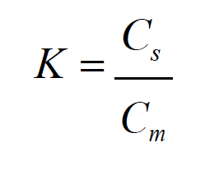
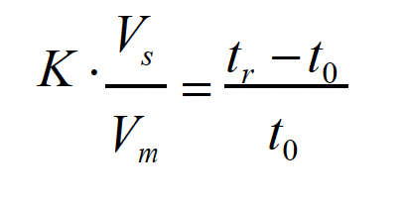
Compound | tR (min) | Tbp (°C) | K1 (10-8) | K2 (10-4) | K3 (10-1) | t0 (min) | Vs/Vm | Peak # | T = 80 C |  | T = 120 C
Cyclohexane | 1.486 | 80.8 | 48,600,000 | 4,860 | 4.86 | 1 | 1.00E-08 |  | tR (min) | Area (counts*s) | tR (min) | Area (counts*s)
Toluene | 2.016 | 110.6 | 101,600,000 | 10,160 | 10.16 |  | 1.00E-04 | 1 | 1.487 | 4.14E+07 | 1.532 | 2.84E+07
Ethyl benzene | 2.508 | 136.2 | 150,800,000 | 15,080 | 15.08 |  | 1.00E-01 | 2 | 1.972 | 5.08E+07 | 1.685 | 4.13E+07
p-xylene | 2.585 | 138.4 | 158,500,000 | 15,850 | 15.85 |  |  | 3 | 2.441 | 3.98E+07 | 1.827 | 3.77E+07
o-xylene | 2.994 | 144.4 | 199,400,000 | 19,940 | 19.94
 | 9.654

